Column Sort
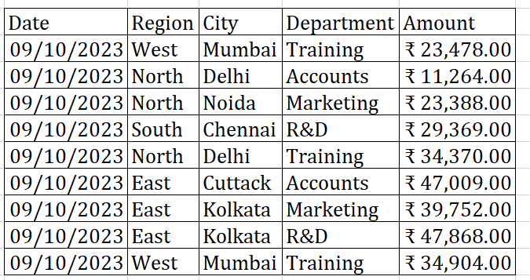
 |  |  |  |  | Required Output based on the below table
1 | 2 | 3 | 4 | 5 | Sort according to column header
Date | Region | City | Department | Amount
2023-10-09 | West | Mumbai | Training | ₹ 23,478.00
2023-10-09 | North | Delhi | Accounts | ₹ 11,264.00
2023-10-09 | North | Noida | Marketing | ₹ 23,388.00
2023-10-09 | South | Chennai | R&D | ₹ 29,369.00
2023-10-09 | North | Delhi | Training | ₹ 34,370.00
2023-10-09 | East | Cuttack | Accounts | ₹ 47,009.00
2023-10-09 | East | Kolkata | Marketing | ₹ 39,752.00
2023-10-09 | East | Kolkata | R&D | ₹ 47,868.00
2023-10-09 | West | Mumbai | Training | ₹ 34,904.00

 |  |  | INTHIS WE USE sorting tool in the data ribbon
 |  |  | you gave the numbers for sorting

Protect sheet
Sales by Region

Row Labels | Sum of Amount
East | 17175
North | 54000
South | 70925
West | 42500
Grand Total | 184600

Sales by Department
Row Labels | Sum of Amount
Operation | 17500
Marketing | 31500
Accounts | 33550
R&D | 43300
Training | 58750
Grand Total | 184600

Sales by City
Row Labels | Sum of Amount
Bangalore | 20000
Chennai | 12000
Cuttack | 6400
Delhi | 32750
Kolkata | 10775
Mangalore | 22675
Mumbai | 31250
Mysore | 16250
Noida | 21250
Pune | 11250
Grand Total | 184600

